Sheet1
Specialty Transformer Components LLC
525 McClurg Road
Youngstown, OH 44512 USA
Phone: 1-330-427-3000
Email: info@transformercomponents.com
Website: www.transformercomponents.com

 | TRANSFORMER RADIATOR RFQ FORM

 | CUSTOMER INFORMATION
 | NAME
 | COMPANY
 | COMPANY OFFICE ADDRESS/LOCATION
 | RADIATOR DELIVERY LOCATION
Enter the information into the RFQ Form to the left coordinating the letter designation on the sketch below to the line item letters in the Radiator and Flange Information on the form. For example, the "Center Distance A" on the sketch should be entered on the form at the line item "A - CENTER DISTANCE (600mm-4500mm) (23.6 in - 177in)".
 | LOCATION HANDLING CONSTRAINTS
 | EMAIL ADDRESS
 | PHONE
 | OTHER PHONE (CELL)

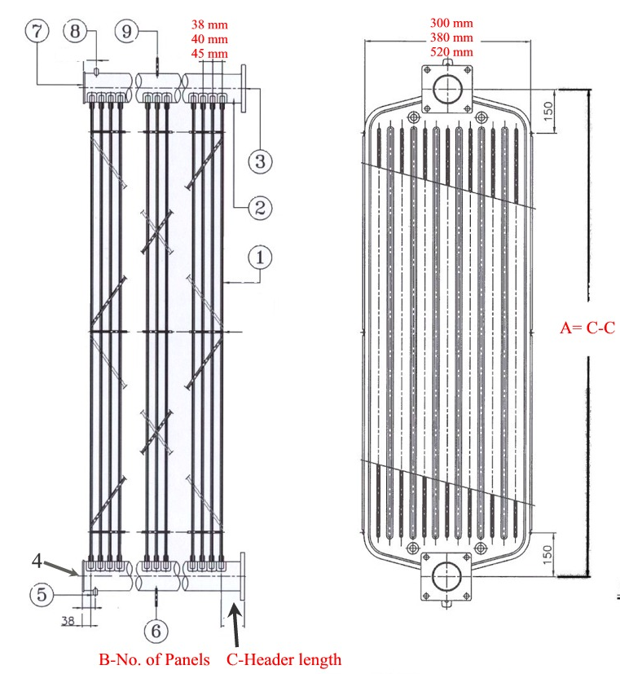
 | TRANSFORMER INFORMATION
 | TRANSFORMER MANUFACTURER
 | DATE OF MANUFACTURE
E
 | TRANSFORMER RATING (MVA)
 | NUMBER OF RADIATORS

D
 | RADIATOR INFORMATION
 | NUMBER CURRENTLY REQUIRED
 | DATE REQUIRED
 | TYPE OF MOUNTING TO TRANSFORMER
B
 | RADIATOR MATERIAL
A
 | SURFACE TREATMENT - EXTERNAL COATING
 | PAINT COLOR IF OPTION CHOSEN
 | FLANGE TYPE
A | CENTER DISTANCE (600mm-4500mm) (23.6in - 177in)
B | NUMBER OF PANELS (3 to 42 panels)
C | HEADER PIPE EXTENSION [mm / in]
D | HEADER PIPE (internal) DIAMETER [in]
E | PANEL WIDTH (mm/in)
C
F | PANEL SPACING (mm/in)
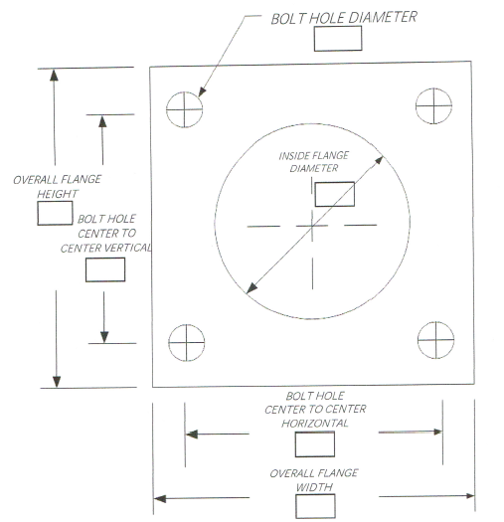
I
J
K
L
M
N
 | SQUARE FLANGE INFORMATION
I | SQUARE FLANGE HEIGHT (mm/in)
J | SQ. FLANGE BOLT HOLE DIMENSION CENTER TO CENTER VERTICAL (mm/in)
K | SQUARE FLANGE WIDTH (mm/in)
L | SQ. FLANGE BOLT HOLE DIMENSION CENTER TO CENTER HORIZONTAL (mm/in)
M | SQ. FLANGE BOLT HOLE DIAMETER (mm/in)
N | INSIDE SQ. FLANGE DIAMETER (mm/in)
 | ROUND FLANGE INFORMATION
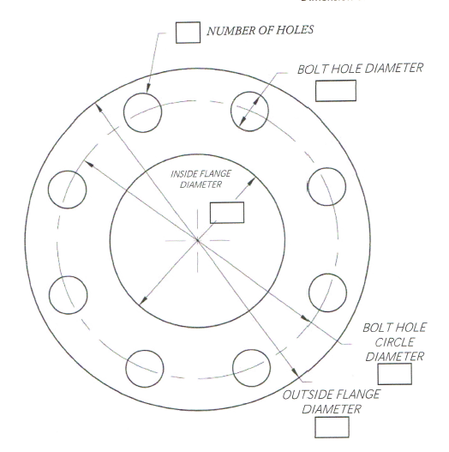
P
Q
R
T
S
P | NUMBER OF BOLT HOLES
Q | BOLT HOLE DIAMETER
R | BOLT HOLE CIRCLE DIAMETER (THRU CENTERS)
T | OUTSIDE FLANGE DIAMETER
S | INSIDE FLANGE DIAMETER

 | ***Please enter as much information as you can. All of the above information may not be necessary to provide a preliminary proposal. The factory would be in touch if they need additional information.

